TOTAL
Alkalmazott szűrők: TRANSPORT_MODE egyezik ezzel: Sea Reference type egyezik ezzel: Highlighted references only „QUERY_List_Carrier_name_EDIQ_Act”[LSP] egyezik ezzel: Maersk Date ekkori vagy későbbi a következőnél: 2026.03.09. 0:00:00 és dátuma korábbi, mint 2026.03.16. 0:00:00 SHIPMENT_CANCELLED egyezik ezzel: (Üres) Previous and next 1 year egyezik ezzel: Y KPI_Category nem egyezik ezzel: Mapping

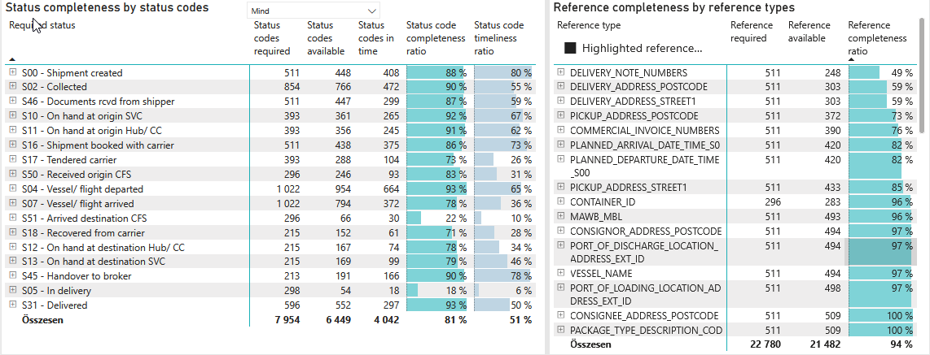
Required status | Status type | „QUERY_List_Carrier_EDIQ_Act”[LSP] | Status codes required | Status codes available | Status codes in time | Status code completeness ratio | Status code timeliness ratio
S00 - Shipment created | Actual | Maersk | 511 | 448 | 408 | 88 % | 80 %
S02 - Collected | Estimated | Maersk | 427 | 394 | 339 | 92 % | 79 %
S02 - Collected | Actual | Maersk | 427 | 372 | 133 | 87 % | 31 %
S46 - Documents rcvd from shipper | Actual | Maersk | 511 | 447 | 299 | 87 % | 59 %
S10 - On hand at origin SVC | Actual | Maersk | 393 | 361 | 265 | 92 % | 67 %
S11 - On hand at origin Hub/ CC | Actual | Maersk | 393 | 356 | 245 | 91 % | 62 %
S16 - Shipment booked with carrier | Actual | Maersk | 511 | 438 | 375 | 86 % | 73 %
S17 - Tendered carrier | Actual | Maersk | 393 | 288 | 104 | 73 % | 26 %
S50 - Received origin CFS | Actual | Maersk | 296 | 246 | 93 | 83 % | 31 %
S04 - Vessel/ flight departed | Estimated | Maersk | 511 | 487 | 418 | 95 % | 82 %
S04 - Vessel/ flight departed | Actual | Maersk | 511 | 467 | 246 | 91 % | 48 %
S07 - Vessel/ flight arrived | Estimated | Maersk | 511 | 483 | 211 | 95 % | 41 %
S07 - Vessel/ flight arrived | Actual | Maersk | 511 | 311 | 161 | 61 % | 32 %
S51 - Arrived destination CFS | Actual | Maersk | 296 | 66 | 30 | 22 % | 10 %
S18 - Recovered from carrier | Actual | Maersk | 215 | 152 | 61 | 71 % | 28 %
S12 - On hand at destination Hub/ CC | Actual | Maersk | 215 | 167 | 74 | 78 % | 34 %
S13 - On hand at destination SVC | Actual | Maersk | 215 | 169 | 99 | 79 % | 46 %
S45 - Handover to broker | Actual | Maersk | 213 | 191 | 166 | 90 % | 78 %
S05 - In delivery | Actual | Maersk | 298 | 54 | 18 | 18 % | 6 %
S31 - Delivered | Estimated | Maersk | 298 | 285 | 223 | 96 % | 75 %
S31 - Delivered | Actual | Maersk | 298 | 267 | 74 | 90 % | 25 %

FCL
Alkalmazott szűrők: TRANSPORT_MODE egyezik ezzel: Sea TRANSPORT_SERVICE_PRIORITY egyezik ezzel: FCL/FCL/FCL Reference type egyezik ezzel: Highlighted references only „QUERY_List_Carrier_name_EDIQ_Act”[LSP] egyezik ezzel: Maersk Date ekkori vagy későbbi a következőnél: 2026.03.09. 0:00:00 és dátuma korábbi, mint 2026.03.16. 0:00:00 SHIPMENT_CANCELLED egyezik ezzel: (Üres) Previous and next 1 year egyezik ezzel: Y KPI_Category nem egyezik ezzel: Mapping

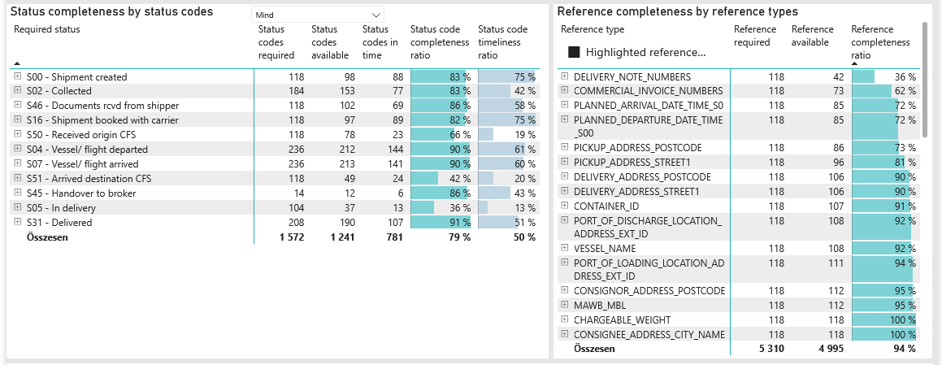
Required status | Status type | „QUERY_List_Carrier_EDIQ_Act”[LSP] | Status codes required | Status codes available | Status codes in time | Status code completeness ratio | Status code timeliness ratio
S00 - Shipment created | Actual | Maersk | 118 | 98 | 88 | 83 % | 75 %
S02 - Collected | Estimated | Maersk | 92 | 83 | 63 | 90 % | 68 %
S02 - Collected | Actual | Maersk | 92 | 70 | 14 | 76 % | 15 %
S46 - Documents rcvd from shipper | Actual | Maersk | 118 | 102 | 69 | 86 % | 58 %
S16 - Shipment booked with carrier | Actual | Maersk | 118 | 97 | 89 | 82 % | 75 %
S50 - Received origin CFS | Actual | Maersk | 118 | 78 | 23 | 66 % | 19 %
S04 - Vessel/ flight departed | Estimated | Maersk | 118 | 108 | 95 | 92 % | 81 %
S04 - Vessel/ flight departed | Actual | Maersk | 118 | 104 | 49 | 88 % | 42 %
S07 - Vessel/ flight arrived | Estimated | Maersk | 118 | 109 | 67 | 92 % | 57 %
S07 - Vessel/ flight arrived | Actual | Maersk | 118 | 104 | 74 | 88 % | 63 %
S51 - Arrived destination CFS | Actual | Maersk | 118 | 49 | 24 | 42 % | 20 %
S45 - Handover to broker | Actual | Maersk | 14 | 12 | 6 | 86 % | 43 %
S05 - In delivery | Actual | Maersk | 104 | 37 | 13 | 36 % | 13 %
S31 - Delivered | Estimated | Maersk | 104 | 98 | 77 | 94 % | 74 %
S31 - Delivered | Actual | Maersk | 104 | 92 | 30 | 88 % | 29 %

BCO
Alkalmazott szűrők: TRANSPORT_MODE egyezik ezzel: Sea TRANSPORT_SERVICE_PRIORITY egyezik ezzel: LCL/FCL/FCL Reference type egyezik ezzel: Highlighted references only „QUERY_List_Carrier_name_EDIQ_Act”[LSP] egyezik ezzel: Maersk Date ekkori vagy későbbi a következőnél: 2026.03.09. 0:00:00 és dátuma korábbi, mint 2026.03.16. 0:00:00 SHIPMENT_CANCELLED egyezik ezzel: (Üres) Previous and next 1 year egyezik ezzel: Y KPI_Category nem egyezik ezzel: Mapping

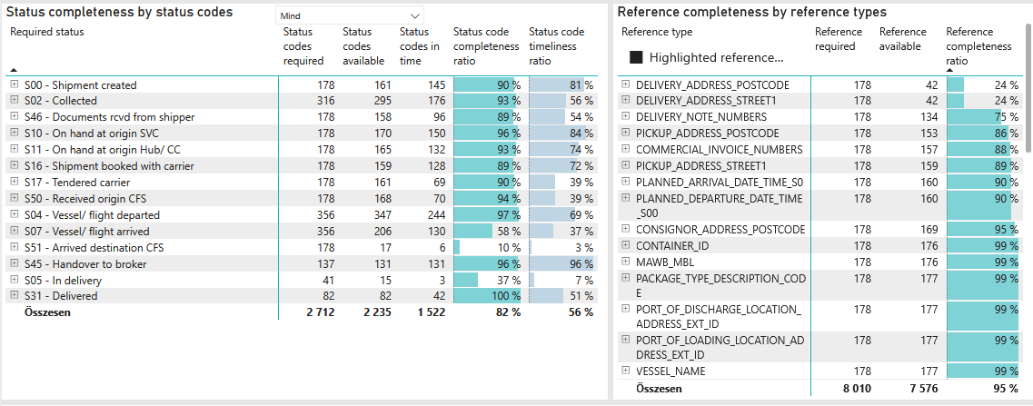
Required status | Status type | „QUERY_List_Carrier_EDIQ_Act”[LSP] | Status codes required | Status codes available | Status codes in time | Status code completeness ratio | Status code timeliness ratio
S00 - Shipment created | Actual | Maersk | 178 | 161 | 145 | 90 % | 81 %
S02 - Collected | Estimated | Maersk | 158 | 149 | 130 | 94 % | 82 %
S02 - Collected | Actual | Maersk | 158 | 146 | 46 | 92 % | 29 %
S46 - Documents rcvd from shipper | Actual | Maersk | 178 | 158 | 96 | 89 % | 54 %
S10 - On hand at origin SVC | Actual | Maersk | 178 | 170 | 150 | 96 % | 84 %
S11 - On hand at origin Hub/ CC | Actual | Maersk | 178 | 165 | 132 | 93 % | 74 %
S16 - Shipment booked with carrier | Actual | Maersk | 178 | 159 | 128 | 89 % | 72 %
S17 - Tendered carrier | Actual | Maersk | 178 | 161 | 69 | 90 % | 39 %
S50 - Received origin CFS | Actual | Maersk | 178 | 168 | 70 | 94 % | 39 %
S04 - Vessel/ flight departed | Estimated | Maersk | 178 | 174 | 153 | 98 % | 86 %
S04 - Vessel/ flight departed | Actual | Maersk | 178 | 173 | 91 | 97 % | 51 %
S07 - Vessel/ flight arrived | Estimated | Maersk | 178 | 176 | 105 | 99 % | 59 %
S07 - Vessel/ flight arrived | Actual | Maersk | 178 | 30 | 25 | 17 % | 14 %
S51 - Arrived destination CFS | Actual | Maersk | 178 | 17 | 6 | 10 % | 3 %
S45 - Handover to broker | Actual | Maersk | 137 | 131 | 131 | 96 % | 96 %
S05 - In delivery | Actual | Maersk | 41 | 15 | 3 | 37 % | 7 %
S31 - Delivered | Estimated | Maersk | 41 | 41 | 34 | 100 % | 83 %
S31 - Delivered | Actual | Maersk | 41 | 41 | 8 | 100 % | 20 %

LCL
Alkalmazott szűrők: TRANSPORT_MODE egyezik ezzel: Sea TRANSPORT_SERVICE_PRIORITY egyezik ezzel: LCL/LCL/LCL Reference type egyezik ezzel: Highlighted references only „QUERY_List_Carrier_name_EDIQ_Act”[LSP] egyezik ezzel: Maersk Date ekkori vagy későbbi a következőnél: 2026.03.09. 0:00:00 és dátuma korábbi, mint 2026.03.16. 0:00:00 SHIPMENT_CANCELLED egyezik ezzel: (Üres) Previous and next 1 year egyezik ezzel: Y KPI_Category nem egyezik ezzel: Mapping

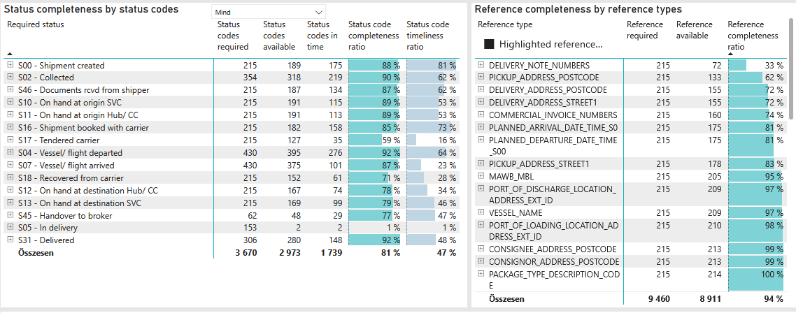
Required status | Status type | „QUERY_List_Carrier_EDIQ_Act”[LSP] | Status codes required | Status codes available | Status codes in time | Status code completeness ratio | Status code timeliness ratio
S00 - Shipment created | Actual | Maersk | 215 | 189 | 175 | 88 % | 81 %
S02 - Collected | Estimated | Maersk | 177 | 162 | 146 | 92 % | 82 %
S02 - Collected | Actual | Maersk | 177 | 156 | 73 | 88 % | 41 %
S46 - Documents rcvd from shipper | Actual | Maersk | 215 | 187 | 134 | 87 % | 62 %
S10 - On hand at origin SVC | Actual | Maersk | 215 | 191 | 115 | 89 % | 53 %
S11 - On hand at origin Hub/ CC | Actual | Maersk | 215 | 191 | 113 | 89 % | 53 %
S16 - Shipment booked with carrier | Actual | Maersk | 215 | 182 | 158 | 85 % | 73 %
S17 - Tendered carrier | Actual | Maersk | 215 | 127 | 35 | 59 % | 16 %
S04 - Vessel/ flight departed | Estimated | Maersk | 215 | 205 | 170 | 95 % | 79 %
S04 - Vessel/ flight departed | Actual | Maersk | 215 | 190 | 106 | 88 % | 49 %
S07 - Vessel/ flight arrived | Estimated | Maersk | 215 | 198 | 39 | 92 % | 18 %
S07 - Vessel/ flight arrived | Actual | Maersk | 215 | 177 | 62 | 82 % | 29 %
S18 - Recovered from carrier | Actual | Maersk | 215 | 152 | 61 | 71 % | 28 %
S12 - On hand at destination Hub/ CC | Actual | Maersk | 215 | 167 | 74 | 78 % | 34 %
S13 - On hand at destination SVC | Actual | Maersk | 215 | 169 | 99 | 79 % | 46 %
S45 - Handover to broker | Actual | Maersk | 62 | 48 | 29 | 77 % | 47 %
S05 - In delivery | Actual | Maersk | 153 | 2 | 2 | 1 % | 1 %
S31 - Delivered | Estimated | Maersk | 153 | 146 | 112 | 95 % | 73 %
S31 - Delivered | Actual | Maersk | 153 | 134 | 36 | 88 % | 24 %

